Sheet1
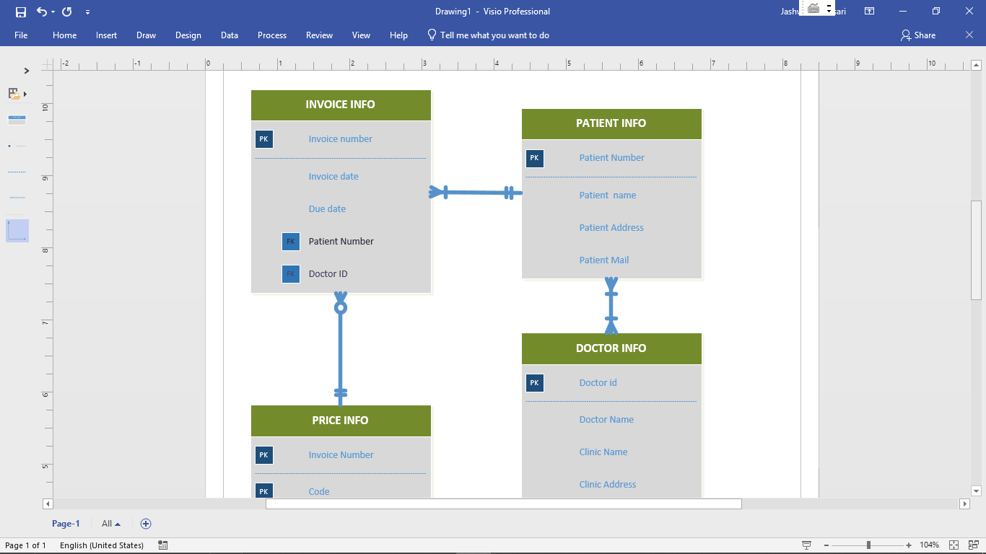
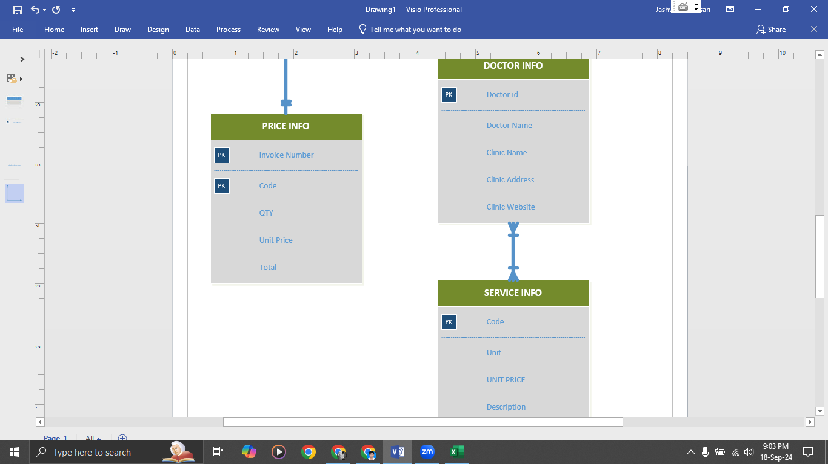
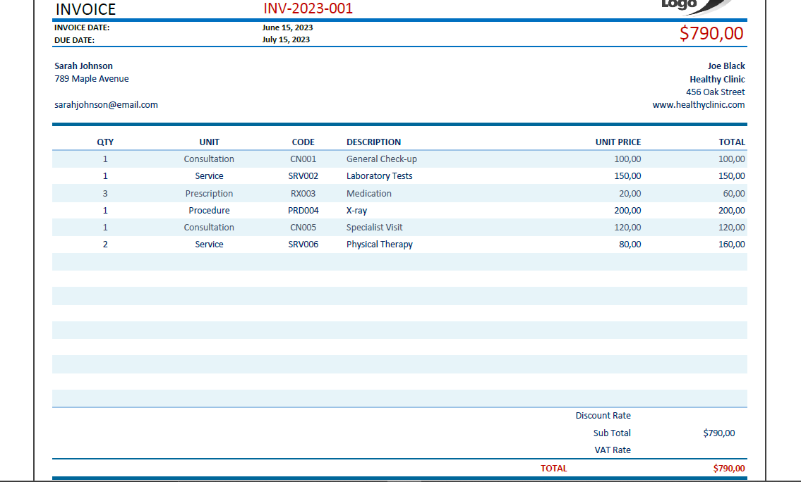

 |  |  |  |  |  |  |  |  |  | BY:
 |  |  |  |  |  |  |  |  |  | JASHWANTH DASARI (Z23761602)

0NF

INVOICE NUMBER | INVOICE DATE | DUE DATE | PATIENT NAME | PATIENT ADDRESS | PATIENT MAIL | DOCTOR NAME | CLINIC NAME | CLINIC ADDRESS | CLINIC WEBSITE | QTY | UNIT | CODE | DESCRIPTION | UNIT PRICE | TOTAL | TOTAL PRICE
INV-2023-001 | 06-15-2023 | 07-15-2023 | Sarah Johnson | 789 Maple Avenue | sarahjohnson@email.com | Joe Black | Healthy Clinic | 456 Oak Street | www.healthyclinic.com | 1,1,3 | Consultation,service,prescription | CN001,SRV002,RX003 | General check-up, Laboratory Tests,Medication | 10000, 15000, 2000 | 10000, 15000, 6000 | 79000

1NF
Primary Key (PK)
INVOICE NUMBER(PK) | INVOICE DATE | DUE DATE | PATIENT NAME | PATIENT ADDRESS | PATIENT MAIL | DOCTOR NAME | CLINIC NAME | CLINIC ADDRESS | CLINIC WEBSITE | QTY | UNIT | CODE(PK) | DESCRIPTION | UNIT PRICE | TOTAL | TOTAL PRICE
INV-2023-001 | 06-15-2023 | 07-15-2023 | Sarah Johnson | 789 Maple Avenue | sarahjohnson@email.com | Joe Black | Healthy Clinic | 456 Oak Street | www.healthyclinic.com | 1 | Consultation | CN001 | General check-up | 10000 | 10000 | 79000
INV-2023-001 | 06-15-2023 | 07-15-2023 | Sarah Johnson | 789 Maple Avenue | sarahjohnson@email.com | Joe Black | Healthy Clinic | 456 Oak Street | www.healthyclinic.com | 1 | service | SRV002 | Laboratory Tests | 15000 | 15000 | 79000
INV-2023-001 | 06-15-2023 | 07-15-2023 | Sarah Johnson | 789 Maple Avenue | sarahjohnson@email.com | Joe Black | Healthy Clinic | 456 Oak Street | www.healthyclinic.com | 3 | prescription | RX003 | Medication | 2000 | 6000 | 79000

2NF
Primary Key (PK)
INVOICE NUMBER(PK) | INVOICE DATE | DUE DATE | PATIENT NAME | PATIENT ADDRESS | PATIENT MAIL | DOCTOR NAME | CLINIC NAME | CLINIC ADDRESS | CLINIC WEBSITE
INV-2023-001 | 06-15-2023 | 07-15-2023 | Sarah Johnson | 789 Maple Avenue | sarahjohnson@email.com | Joe Black | Healthy Clinic | 456 Oak Street | www.healthyclinic.com

Composite Key (CK) |  |  |  |  |  |  |  | Primary Key (PK)
INVOICE NUMBER (PK) | CODE(PK) | QTY | UNIT PRICE | TOTAL |  |  |  | CODE(PK) | UNIT | DESCRIPTION
INV-2023-001 | CN001 | 1 | 10000 | 10000 |  |  |  | CN001 | Consultation | General check-up
INV-2023-001 | SRV002 | 1 | 15000 | 15000 |  |  |  | SRV002 | service | Laboratory Tests
INV-2023-001 | RX003 | 3 | 2000 | 6000 |  |  |  | RX003 | prescription | Medication

Invoice num has no unique key so invoice number and code are composite keys.

3NF

 | Patient Name and other related info - identified as Transitive in the Order info table and can be taken out as a separate table in 3NF

 |  | INVOICE INFO
Primary Key (PK) |  |  | Foreign Key (FK) | Foreign Key (FK)
INVOICE NUMBER(PK) | INVOICE DATE | DUE DATE | PATIENT NUMBER(FK) | DOCTOR ID(FK)
INV-2023-001 | 06-15-2023 | 07-15-2023 | 5618 | 1467

 |  | PATIENT INFO |  |  |  |  |  | DOCTOR INFO
Primary Key (PK) |  |  |  |  |  | Primary Key (PK)
PATIENT NUMBER(PK) | PATIENT NAME | PATIENT ADDRESS | PATIENT MAIL |  |  | DOCTOR ID(PK) | DOCTOR NAME | CLINIC NAME | CLINIC ADDRESS | CLINIC WEBSITE
5618 | Sarah Johnson | 789 Maple Avenue | sarahjohnson@email.com |  |  | 1467 | Joe Black | Healthy Clinic | 456 Oak Street | www.healthyclinic.com

 |  | PRICE INFO |  |  |  |  |  | SERVICE INFO
Composite Key (CK) |  |  |  |  |  | Primary Key (PK)
INVOICE NUMBER (PK) | CODE(PK) | QTY | UNIT PRICE | TOTAL |  | CODE(PK) | UNIT | UNIT PRICE | DESCRIPTION
INV-2023-001 | CN001 | 1 | 10000 | 10000 |  | CN001 | Consultation | 10000 | General check-up
INV-2023-001 | SRV002 | 1 | 15000 | 15000 |  | SRV002 | service | 15000 | Laboratory Tests
INV-2023-001 | RX003 | 3 | 2000 | 6000 |  | RX003 | prescription | 2000 | Medication

Invoice num has no unique key so invoice number and code are composite keys.

ER MODEL

